Ark1
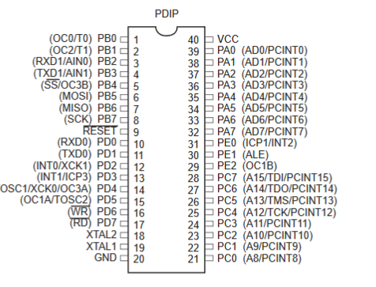
Navn | TCK | TMS | TDI | TDO | nTRST | nSRST | VTG | GND
Atmel pin | 1 | 5 | 9 | 3 | 8 | 6 | 4 | 2, 10
ATmega162 pin | 25 | 26 | 28 | 27 |  |  | VCC | GND

